Azure Architecture
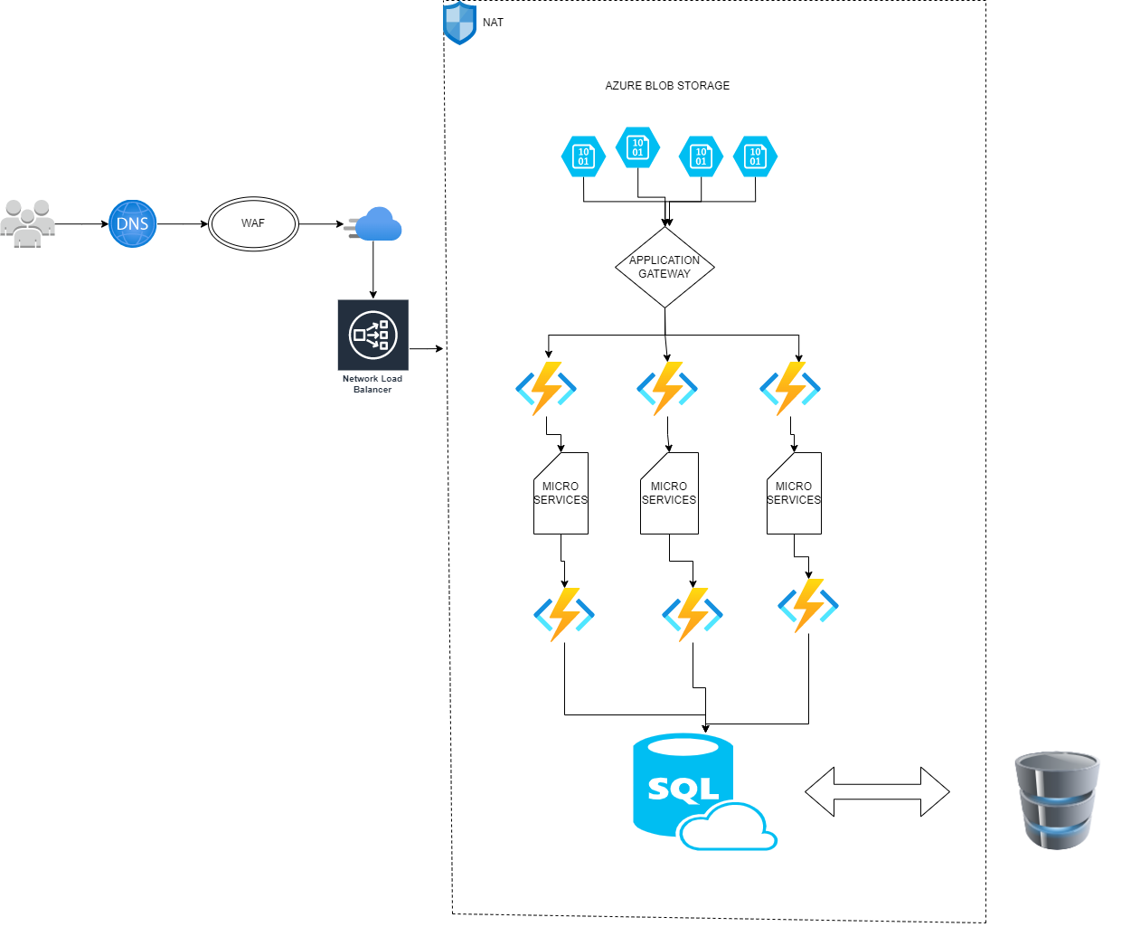
AZURE ARCHITECTURE

Docker Installation
 | DOCKER INSTALLIZATION

S.NO | COMMANDS | SCREENSHOTS
1 | • yum install -y yum-utils: It is for manipulating repositories and extended package management •yum-config-manager \ --add-repo \ https://download.docker.com/linux/centos/docker-ce.repo • To install Docker in centos
2 | •yum install docker-ce docker-ce-cli containerd.io docker-compose-plugin •To install the Docker Engine
3 | •DOCKER HUB •Docker hub or Registry where the all the images or stored •We can create an account to access the images | 
4 | •systemctl start docker •Then we need to start the docker services by systemctl command
5 | •We need to login into docker account in linux root user •We need to enter the username and password for hub account
6 | •First we want to create specific directories for DockerFile •Then we create a file called Dockerfile •On that file we want to specific the Commands •FROM - Base OS of that application •CMD - echo commands will be used here •Then save and exit •docker images can show the list of images in your machine.
7 | •docker build -t myimage . •This comand is used to covert the docker file to docker image •This image can be used to run-up the contaniers •We can also post our images to internet or registray | 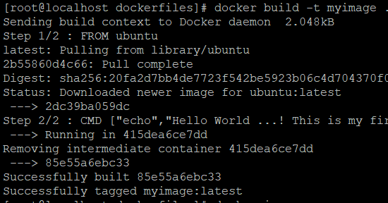
8 | • docker container run centos •This run command is used to run the container •Run commad is used to run the container at an instance •It download the images from docker hub •docker run -d -t --name "MyContainer" centos /bin/bash: •This also used to run up the container •It is used to up and create a container, here d is detachable mod and t is terminal name is container name and centos is image name. •docker exec -i -t containerid /bin/bash • It is used to get inside a container to configure and manage it. •Here exec is execute and -i is to interactive. This command is used to get inside a container | 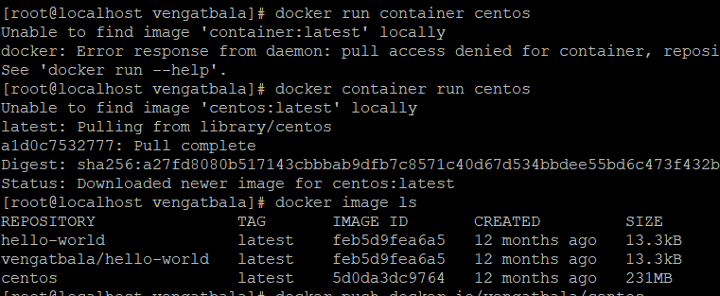
9 | •docker pull learnerslq/ubutu •Docker pull command is used to pull the images from the docker hub •It stores the image or download the image in an local cache •It also used to create the multiple container with an same image | 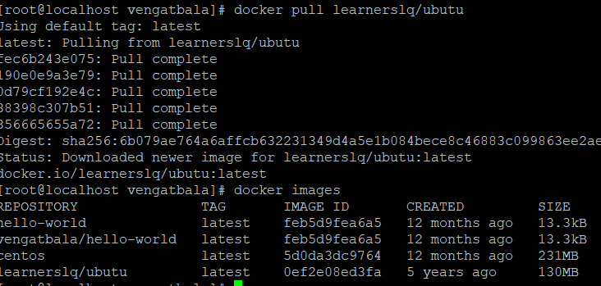
10 | • docker push vengatbala/hello-world •This command is used to push the image from our local cache to docker hub •First we create a image and we use tag cmd • A Docker tag provides a unique identity to a Docker image. •Then we push the image to docker hub •The particular image will be pushed to our docker hub account

Docker File location
DOCKER FILE LOCATION

FILE | DESCRIPTION | SCREENSHOTS
BUILD KIT | •var/lib/buildkit •Docker BuildKit is the next generation container image builder, it contains cache.db to store cache, containermeta.db, and snapshorts | 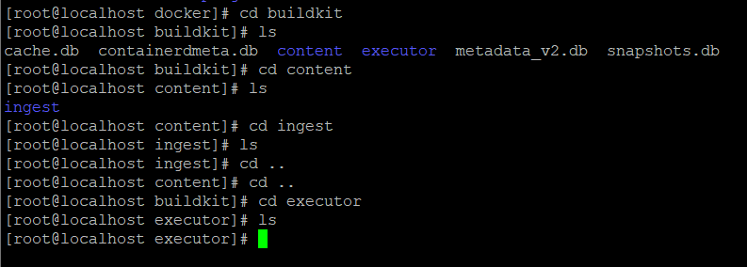
CONTAINERS | •var/lib/docker/containers • It will have the containers id which we have created and up
IMAGE | •var/lib/docker/image •Here we will have the details of the images that is imagedb, layerdb, and image repositories where we have the image id. | 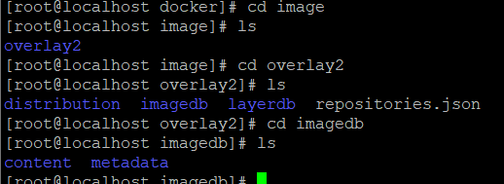
VOLUMES | • /var/lib/docker/volumes •Docker Storage is used to store the image layers and store datain the writable layer of container. •Docker storage was three types •Host Volume •Anonymous Volume •Named Volume

S.No | command | Description
1 | docker exec -d | detach Detached mode: run command in the background detach-keys string Override the key sequence for detaching a container
2 | docker exec -e | env list Set environment variables env-file list Read in a file of environment variables
3 | docker exec -i | interactive Keep STDIN open even if not attached privileged Give extended privileges to the command
4 | docker exec -t | Allocate a pseudo-tty
5 | docker exec -u | Username or UID (format: <name|uid>[:<group|gid>])
6 | docker exec -w | Working directory inside the container
7 | docker run -a | attach list Attach to STDIN, STDOUT or STDERR
8 | docker run -c | cpu-shares int CPU shares (relative weight) cpus decimal Number of CPUs
9 | docker run -d | detach run container in background and print container ID
10 | docker run -e | env list Set environment variables env-file list Read in a file of environment variables
11 | docker run -h | hostname string Container host name Run an init inside the container that forwards signals and reaps processes
12 | docker run -i | interactive Keep STDIN open even if not attached ip string IPv4 address (e.g., 172.30.100.104)
13 | docker run -l | label list Set meta data on a container label-file list Read in a line delimited file of labels
14 | docker run -p | publish-all Publish all exposed ports to random ports pull string Pull image before running
15 | docker run -t | tty Allocate a pseudo-TTY ulimit ulimit Ulimit options (default [])
16 | docker run -u | user string Username or UID (format: <name|uid>[:<group|gid>]) userns string User namespace to use
17 | docker run -v | volume list Bind mount a volume volume-driver string Optional volume driver for the container
18 | docker run -w | workdir string Working directory inside the container

Docker Compose installination
 | DOCKER COMPOSE INSTALLATION
S.NO | COMMANDS | SCREENSHOTS
1 | •Used to up the many containers at a single instance •Group of docker files can be written in one file is called as Docker compose •It is a tool that was devloped to help define and share the multiple container. •We can download it from Github Repositary
2 | •Then we need to create directory for docker compose where we can write our files •The Docker compose file shoud be in YML format •On that file first we want to mention the version of the docker compose •And we can run up a multiple container at a time | 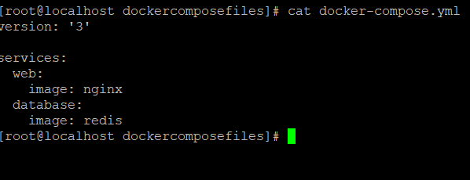
3 | • docker-compose config •This command is used to check the configuration of the compose file
4 | • docker-compose up -d •This cmd is used to up the container and -d is used for detech mode •It run up the containers
5 | • docker ps •It lists the currently running container
6 | • docker-compose down •It stops the currently running container •We can stop the container services using this cmd •We can check using the docker ps cmds

Docker Swarm
 | DOCKER SWARM
S.NO | COMMANDS | SCREENSHOT
1 | •docker swarm init --advertise-addr 192.168.56.101 •It is used to install the docker swarm in the centos1 •We consider this as a master node
2 | •docker node ls •This command is used to list the number of nodes and master nodes
3 | •firewall-cmd --add-port=2377/tcp --permanent firewall-cmd --add-port=7946/tcp --permanent firewall-cmd --add-port=7946/udp --permanent firewall-cmd --add-port=4789/udp --permanent •This cmd is used to open the ports in master node •We also open the ports in worker node •Then we use systemctl restart firewalld on both the worker node and master node | 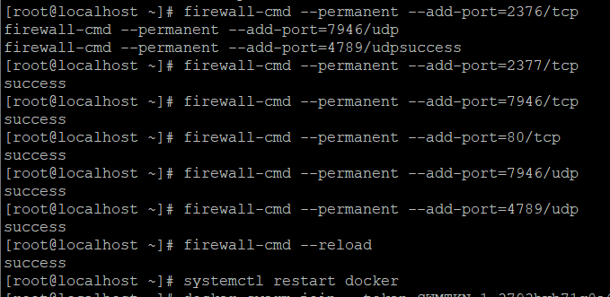
4 | •In master node we write the cmd docker swarm join-token worker •It generate the worker token key and we want to add the key to worker node
5 | •Then the other centos or worker node will join to the master node
6 | •docker ls •We can see the number of connected nodes in the master by this cmd
7 | •docker service create -p 8080:80 --name container1 nginx •This is used to create a services in the multiple worker nodes •We can create a multiple services in worker nodes
8 | • docker service ls •This commad is used to view the number of services runs in the worker nodes

Docker Usecase
S.NO | DOCKER USECASES | SOLUTION | SCREENSHOTS
1 | Create an custom bridge adapter for docker | •docker network create networkname • We should use this command for creating a new network
2 | Assign an static ip to container in docker | •docker connect network networkname containername •We use this command to join the container in a specific network •Then we assign a static ip to that container, every time the container turns off it will get new IP •docker network create --subnet=172.75.0.0/16 airtel •It will assign the static IP to that network and container also | 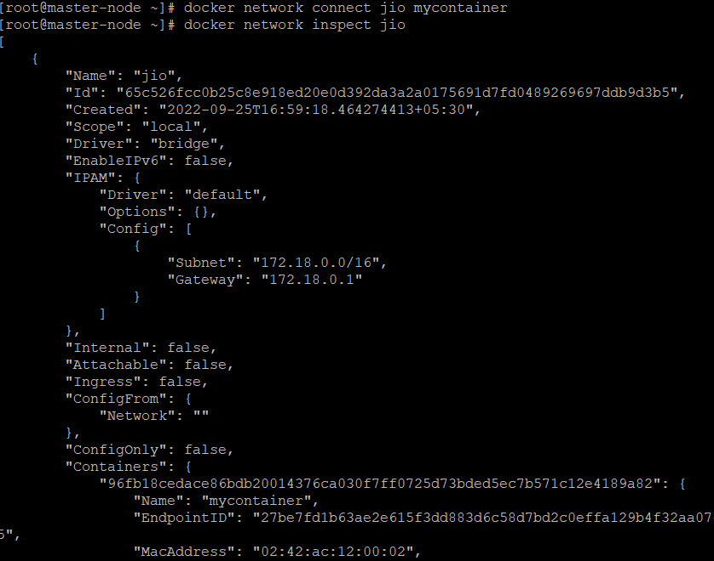
3 | To get into docker container and install something in container's shell | •docker exec -i -t containerid or container name /bin/bash •This command is used to get to the container •docker run -it imagename bash •This command is used to create a new container at an instance with the image given •apt-get update or yum install httpd •This command is used to update or install the packages inside the container
4 | To copy files from host to container | •docker cp filename containerid:/path •This command is used to copy the file from host machine to specific container
5 | To inspect an network-get network details of that container | •docker network inspect networkname •This command is used to inspect the particular network | 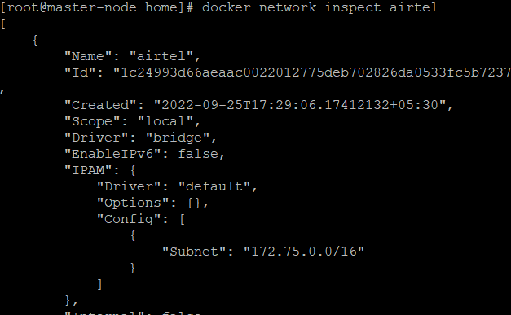
6 | To remove an docker network adapter | •docker network rm networkname •This command is used to deleate the network | 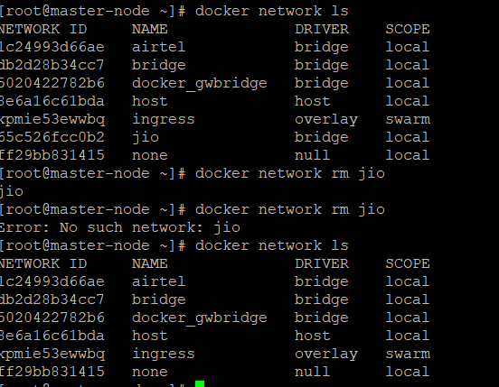
7 | To create an userid and password for an container | • useradd username • passwd username •This command is used to create a user in the container •We exxecute this cmd inside the container
8 | To take a snapshot of an running container | •docker commit containername snapshot:latest •Snapshots ensure quick recovery, and can be used for safety when you are, say, updating the primary software that runs on a particular container.
9 | To limit the useage of CPU and memory of the container | •docker run -it -m=[memory limit] imagename /bin/bash. • To limit the usage of memory we can use the command • cd /sys/fs/cgroup/memory and cat memory.limit_in_bytes •we can see the memory limit. • To limit the usage of CPU we can give the command •docker run -it --cpus="1.0" ubuntu. | 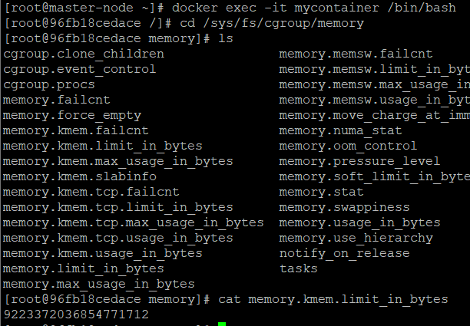
10 | How can we stream live logs | •docker logs --details containerid •This cmd is used to see the live logs of the container | 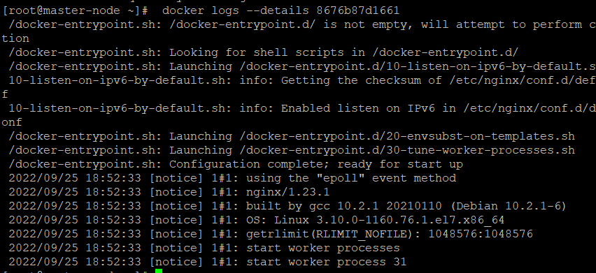
11 | To check about namespace in docker | • Namespaces are a feature of the Linux kernel that partitions kernel resources such that one set of processes sees one set of resources and another set of processes sees a different set of resources. • Thus Docker uses namespaces to provide this isolation to the containers from the host. • This picture shows the namespace of host machne and the container, user namespace isolate security-related identifiers and attributes, in particular, user id and group ids. • A process's user and group IDs can be different inside and outside a user namespace • net This file is a handle for the network namespace of the process. This provides the isolation of the system resources associated with networking and isolates Network devices. • mount- This file is a handle for the mount namespace of the process and isolates Mount points • ipc This file is a handle for the IPC namespace of the process and isolates System Vs IPC and POSIX message queues • uts This file is a handle for the UTS namespace of the process and isolates Hostname and NIS domain name • user This file is a handle for the user namespace of the process • pid : The Process ID. This file is a handle for the PID namespace of the process.PID namespaces isolate the process ID number space,
12 | To scale up a particular service or group of service in a different container | •docker service create --name containername --replicas 3 -p 40:80 servicename •This cmd is used to create a service and replicas in the master node and worker node also •docker service scale containername=replicas •This cmd is used to scale one or more replicated services either up or down to the desired number of replicas. | 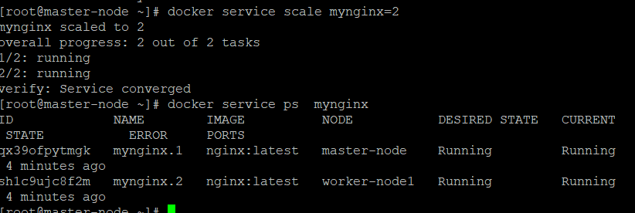
13 | Install Docker in Windows
14 | how to share an image without uploading to repository(within an network) | •docker save -o/source path image •This command is used to save the image in a particular path in the host machine •ls -l this cmd is used to list the folder we create •rsync -avz centosimage root@Ip address:/destination path •This cmd is used to share the image folder to the other nodes by specific by their IP address , It will executed in the master node •docker loadd -i foldername •After share the image folder to destination, this commad is executed to unfold the pacakages
15 | how to share data between two containers | • docker volume create volumename •This cmd is used to create a storage volume in the host machine •docker run -dit --name containername -v volumename:/data imagename •This cmd is used to create a container in the storage volume we created. •In this case we create 2 container in the same volume •In one container we create a file wil automaticaly reflect on the other container also because both container are in the same storage | 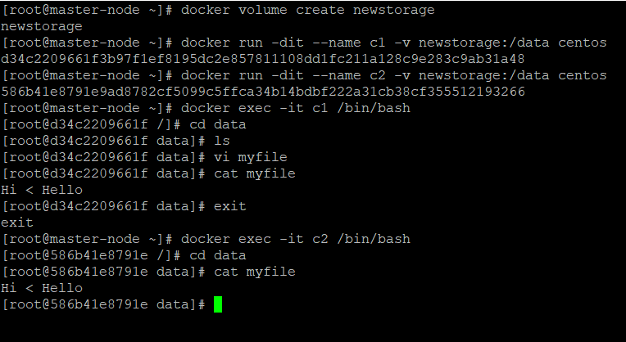
16 | update the application deployed in the container | •We can't update the image in the container • First we should remove the container by follwing cmd •docker container rm -f container name or container id • Then build the new version of the image. • Then stop and remove the old container, then start a new container with the updated image.
17 | how to move an container from one host to another host (same OS) | • docker export container name or container Id | gzip > container name or contanier id • This cmd gzip is used to zip the entire container into a small pacakges • rsync -avz containername.gz root@IPaddress:/Destination path •This is used to transfer the contaier zip file into another host machine •ls - we use to see the contaier zip file by this command •zcat containername.gz | docker import - containername •This cmd is used to Unzip the container in the other nodes • docker run -dt --name containername image /bin/bash •We used to run the container in the other host machine by following this cmds
18 | ping container from another container | •By default all the container created are in the bridge adaptar network, we ca see by • docker network inspect bridge • we can see the IP address of all the container connected to the network •docker exec -it containername /bash •we can get into the container by this cmd •ping IPaddress of container • And we use ping cmd to ping the particular container | 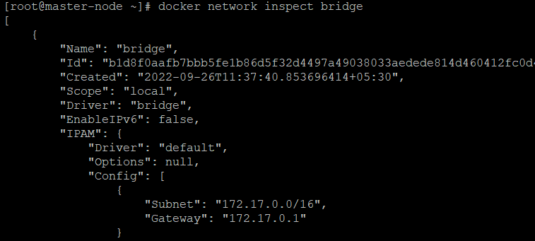
19 | how to pull image with digest value of the image | • docker pull imagename •First we want to pull the image from the repository and it has digest number • Then we use the folloeing cmd to pull the image using digest value •docker pull imagename@digest value •We can also use the below cmd to get the digest value of exisiting images •docker image ls --digests image name

Kuberneties Installation
 | KUBERNETIES INSTALLATION
S.NO | COMMANDS | SCREENSHOT
1 | • vi /etc/yum.repos.d/kubernetes.repo • Then we enter the folleing commands in that file •[kubernetes] name=Kubernetes baseurl=https://packages.cloud.google.com/yum/repos/kubernetes-el7-x86_64 enabled=1 gpgcheck=0 repo_gpgcheck=0 gpgkey=https://packages.cloud.google.com/yum/doc/yum-key.gpg https://packages.cloud.google.com/yum/doc/rpm-package-key.gpg Index of /yum/repos/kubernetes-el7-x86_64/
2 | • yum install -y kubelet kubeadm kubectl •Then we install the kubernetes service like kubelet kubectl and kubeadm •And we enable and start the kubelet service follwing this command •systemctl enable kubelet •systemctl start kubelet
3 | •hostnamectl set-hostname master-node •This cmd is used to change the name of the node •This should be done with the other centos machine and named as worker node1 •All other steps will be followed as same as in the other machine to
4 | • vi /etc/hosts • Then we add the Mater node name and Ip address in that file •Also add the other worker node ip and name of the worker node also | 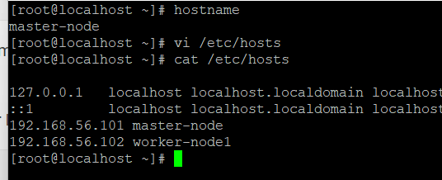
5 | •sudo firewall-cmd --permanent --add-port=6443/tcp sudo firewall-cmd --permanent --add-port=2379-2380/tcp sudo firewall-cmd --permanent --add-port=10250/tcp sudo firewall-cmd --permanent --add-port=10251/tcp sudo firewall-cmd --permanent --add-port=10252/tcp sudo firewall-cmd --permanent --add-port=10255/tcp sudo firewall-cmd --reload •Then we enable the firewall ports open in both the master node and the worker node | 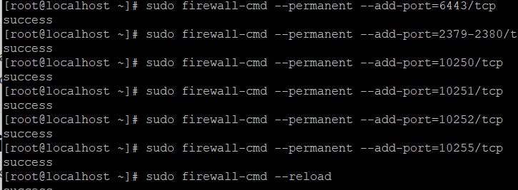
6 | • Vi /etc/syctl.d/k8s.conf •Then we Set the net.bridge.bridge-nf-call-iptables to '1' in your sysctl config file. •This ensures that packets are properly processed by IP tables during filtering and port forwarding. •cat <<EOF > /etc/sysctl.d/k8s.conf net.bridge.bridge-nf-call-ip6tables = 1 net.bridge.bridge-nf-call-iptables = 1 EOF •Then we want to restart the system using by following commands •sysctl --system | 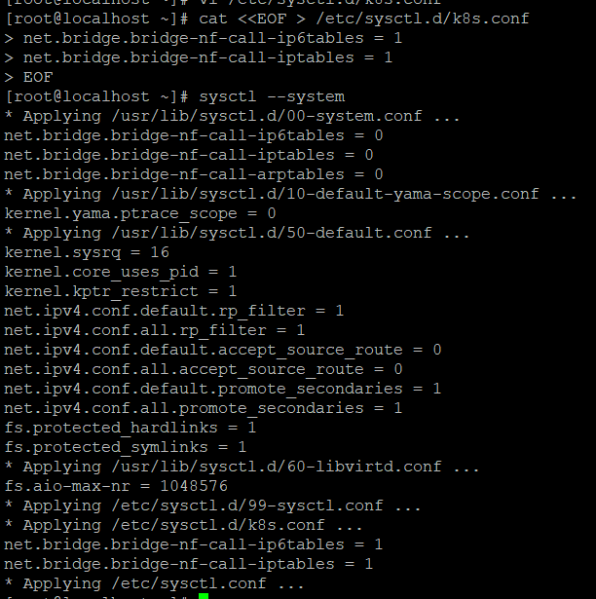
7 | • •https://www.ibm.com/docs/ja/ahts/4.0?topic=t-disabling-selinux
8 | •We stop the Selinux by following the above instruction to disable Selinux •And we want to restart the entire centos system to disable linux •And also we to off the swapoff -a •swapoff -a •free -m
 | • kubeadm init --ignore-preflight-errors=All •This command is used to install the master clusters and control panal in that node

